Sheet1
 |  | Document No. | Issue No. | Issue Date |  | Review and Replace Date |  | Authorised By
 |  | GFF425MC | 1 | 13.12.2023 |  | New Issue
 |  | Document Title | Gazebo- 20 Lamb Samosa | 1500G- High Risk
 |  |  |  |  |  |  |  | Magda Shah
Document amendments reason for change |  | New document created | Page 1 of 1 |  | Previous Issue Date |  | New Issue | Uncontrolled copy unless signed original

PACK DAY + 1 YEAR
NON-MAP PACK
FLSAM-B20B | Gazebo (BULK-SNACKS) |  | 20 Lamb Samosa | 1500G
STEP 1 |  |  |  |  | STEP 2
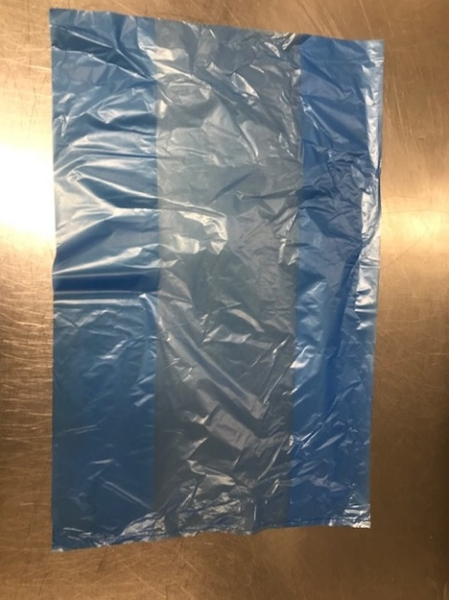 |  |  |  |  | 

Bag:Blue Tint Bags(13"W x 15"L x 45mu)(PKSEE002-03) |  |  |  |  | Lamb Samosa 75g(GFF005R): 20 Pieces (1500g)

STEP 3
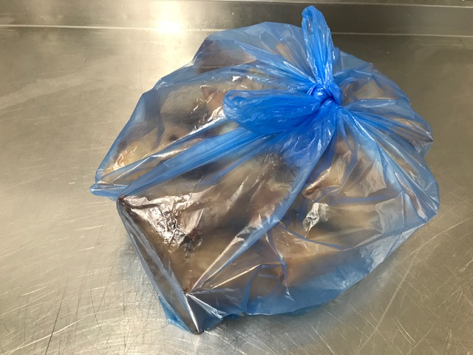

TOTAL WEIGHT: 1500g

ALLERGY ALERT: Wheat, Soya

